OO V10.x+ Instance 1
Operations Orchestrator V10 and above
For every Operations Orchestrator installation, please execute the following commands and submit the results.
How many instances of Operations Orchestration does your company currently have in your environment? Please replicate this tab, and complete the questionnaire separately for each instance of the product.

Question |  |  | Yes / No
Is this instance used in production environment? |  |  | Yes
Is this instance used for developing Operations Orchestration product add-on applications? |  |  | No
Is this instance used for Operations Orchestration product migration testing, or Operations Orchestration pre-production staging? |  |  | No
Is this instance used as a Cold Standby Backup? i.e. the instance is NOT up and running. If the production instance breaks down, or needs to be taken out of service, this instance needs to be manually switched on in order to take over for the production system. |  |  | No
Is this instance used as a Hot Standby Backup? i.e. the instance is up and running, ready to take over from the production instance if the production instance breaks down or needs to be taken out of service. |  |  | No
Does this instance process data, execute policies, or send/receive messages while production system is running? |  |  | No
Additional Comments

Server Name | smaxproducmdb.central.btk.bg
Product Version Installed | 2019.07
Product environment (Production, test, development, etc.) | Production
Used to provide 3rd party services (yes/no) | No

Work Flow Name | Workflow Description | Workflow Trigger | Target Group (device/nodes) | Auxiliary System for each flow | Frequency of Running Work Flow
… | ... | Trigger which initiates a flow | Devices / Nodes | e.g. firewalls | ...
... | ... | SMAX | N/A | N/A | ...

FLOW REPORT
Please provide the following Workflow information (Flow report): for each instance of OO v10.x and above.
Instructions: Please login to OO central UI you see the list of the most common workflows that have been executed. Please ensure that the report parameter is changed to see the last 30 days (on the top right side) and the report is refreshed.
SAMPLE DATA |  |  | RESPONSE
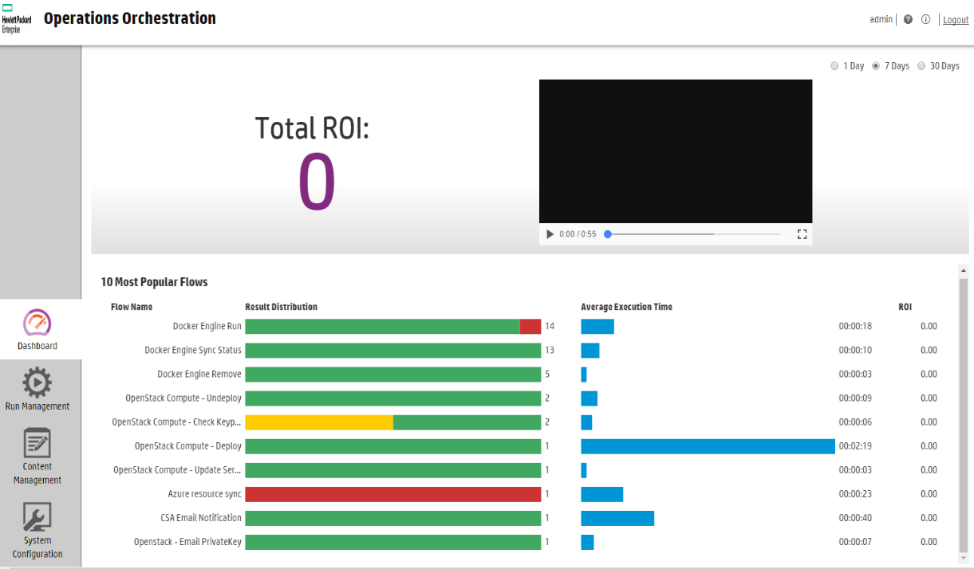

DATABASE OUTPUT
Please provide the following Flow run Log query (Database output): for each instance of OO v10.x and above, please provide database query outputs as defined in the instructions below
Instructions: Run the following database queries on the OO application database and provide the output as a .txt or .csv file. SELECT flow_uuid, flow_path, status, count (*) as frequency FROM oo_execution_summary GROUP BY flow_uuid, flow_path, status ORDER BY frequency DESC;

